Sheet1
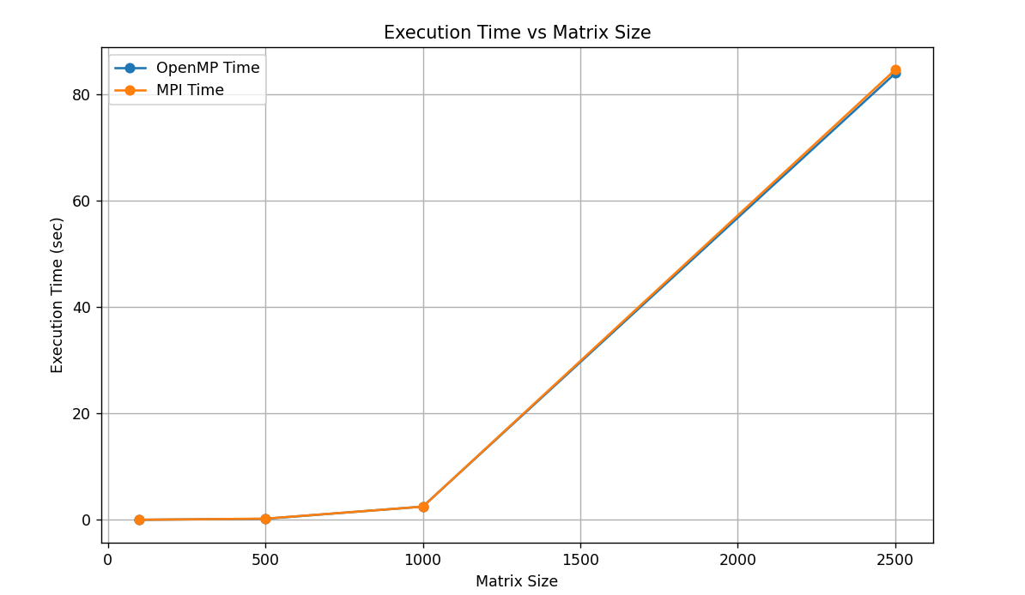
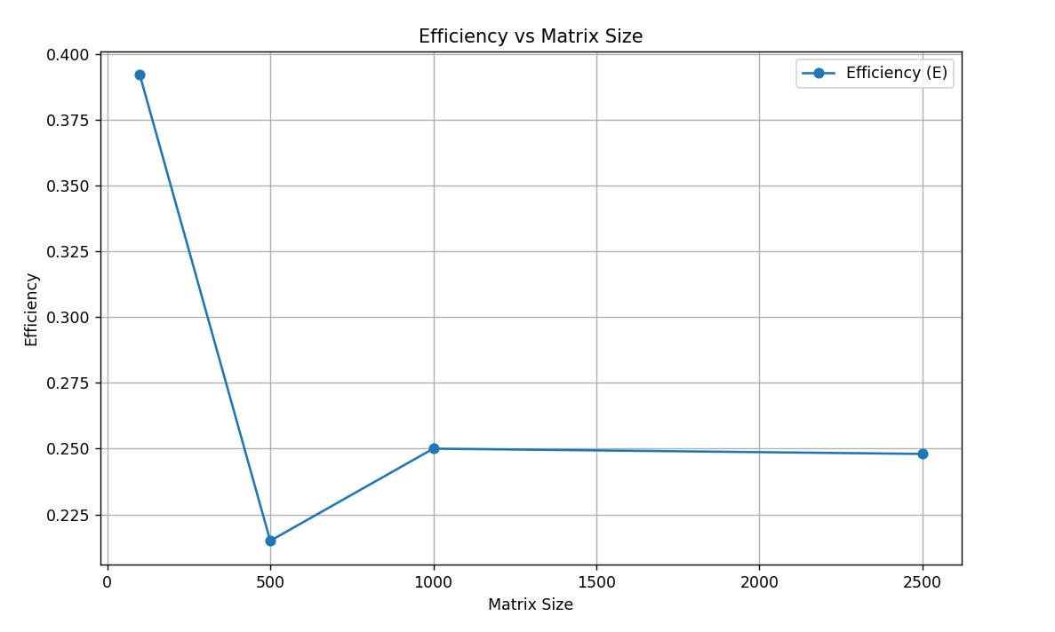
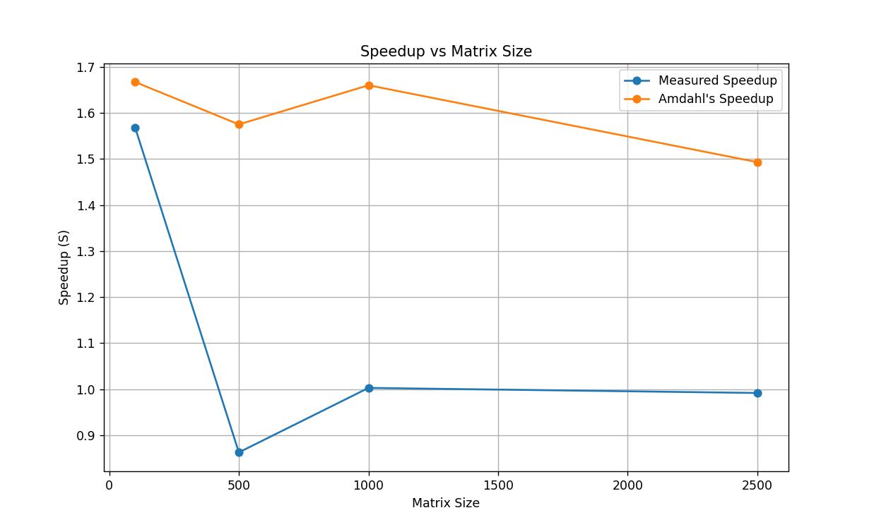
Matrix Size | OpenMP Time (sec) | MPI Time (sec) | Speedup (S) | Efficiency (E) | Amdahl T_parallel | Amdahl Speedup (S)
100 | 0.002832 | 0.001806 | 1.5681063123 | 0.39202657807 | 0.0009204 | 3.0769230769
500 | 0.183608 | 0.212858 | 0.86258444597 | 0.21564611149 | 0.0596726 | 3.0769230769
1000 | 2.475576 | 2.469141 | 1.0026061695 | 0.25065154238 | 0.8045622 | 3.0769230769
2500 | 83.913488 | 84.586276 | 0.99204613287 | 0.24801153322 | 27.2718836 | 3.0769230769

